Sheet1
Name/Description | Image | Significance
Captain Alotto Darkstorm's ship - The ThunderThief | 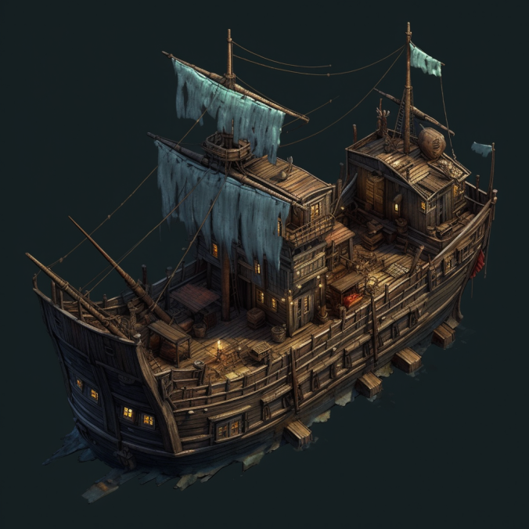 | The offshore home of the dreaded Alotto Darkstorm. The last location to access in order to defeat AD.
The Fwish Fountain at Fwish Fountain Pier | 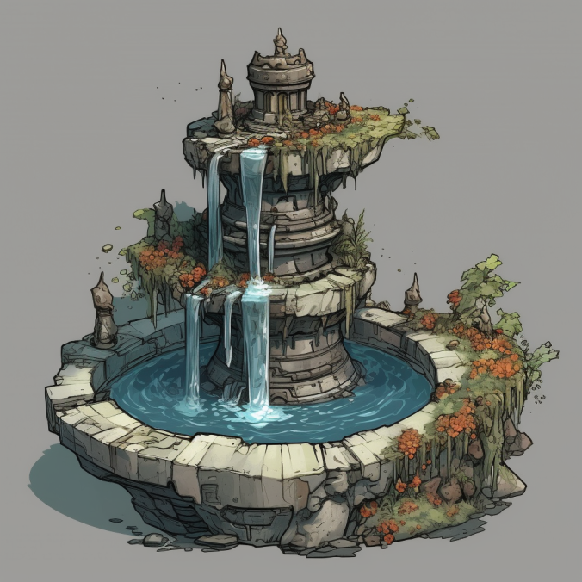 | A historic landmark of IttoBitt Bay - before AD's take over IttoBittizens would toss an IttoBitt Coin or two into the fountain and make a "Fwish" by placing bait on a hook and a wish that would come true if they caught a fish on the same bait. Will your Fwish come true?
Tikki Tikk'n Nuggets | 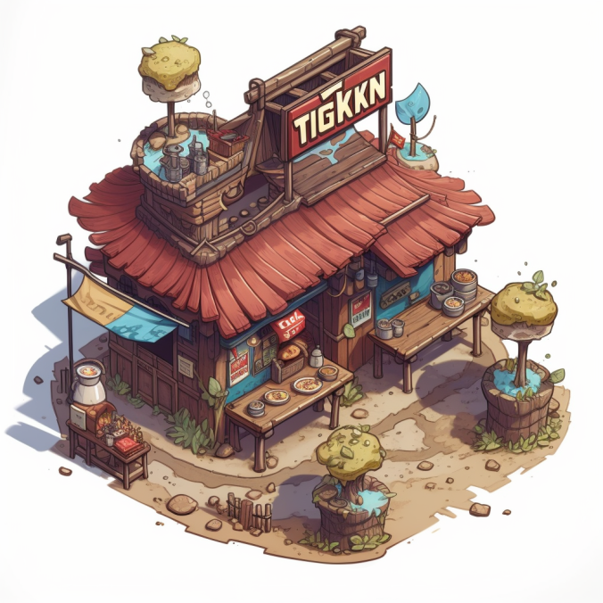

The Merryweather Mantis Marina Statue | 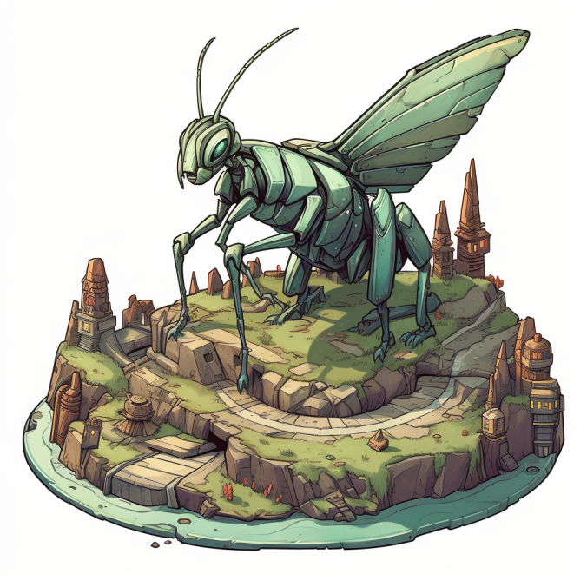 | Landmark of IttoBitt Bay - built by Mr. and Mrs. Merryweather

